COVER PAGE
Last Updated: 30/03/2023

NISSAN GENUINE ACCESSORY PRICING GUIDE - RETAIL
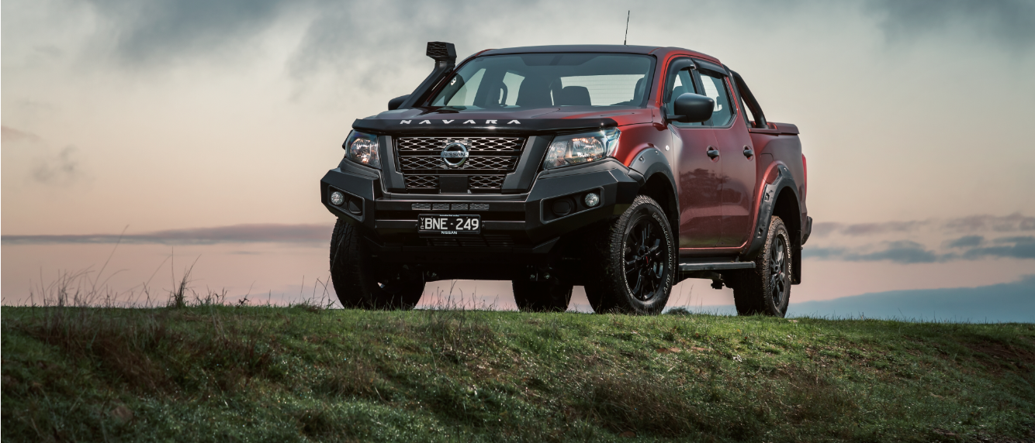

ENTER YOUR RETAIL LABOUR RATE (INCLUDING GST) HERE: | $154
All price are inclusive of GST unless otherwise indicated.
All accessories are Nissan Genuine Accessories unless otherwise listed by indication under an Automate Products heading and are subject to availability.
The fitment labour rate can be adjusted for each model (highlighted in yellow) to suit your dealership's chosen fitment labour rate.
Any reference to application details is a guide only. Refer to the relevant accessory applicability guide on the Nissan dealer intranet.
Warranty Facts: If Nissan Genuine Parts or Accessories are purchased and fitted at the time of purchase and by an Authorised Nissan Dealer, they are covered by Nissan's 1 year or 20,000km warranty OR the balance of the New Vehicle Warranty (whichever is greater). Nissan Genuine Parts and Accessories purchased over the counter are covered by Nissan's 1 year or 20,000km warranty (whichever comes first).
Note: Our goods come with guarantees that cannot be excluded under the Australian Consumer Law. The customer is entitled to a replacement or refund for a major failure and compensation for any other reasonably foreseeable loss or damage. The customer is also entitled to have the goods repaired or replaced if goods fail to be of acceptable quality and the failure does not amount to a major failure. Automate products are distributed by Nissan and are covered by the manufacturer’s warranty. Nissan reserves the right to change, alter and modify accessories without prior notice. Prices set out or referred to herein are recommended prices only, and there is no obligation to comply with this recommendation. The prices are subject to variation without notice.
THIS GUIDE IS FOR NISSAN DEALERSHIP INTERNAL USE ONLY

